Feuil1
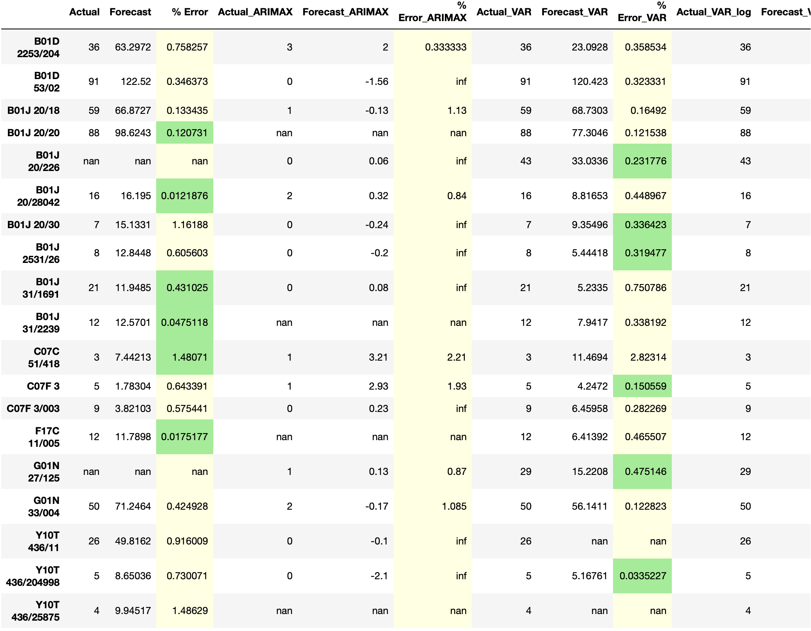
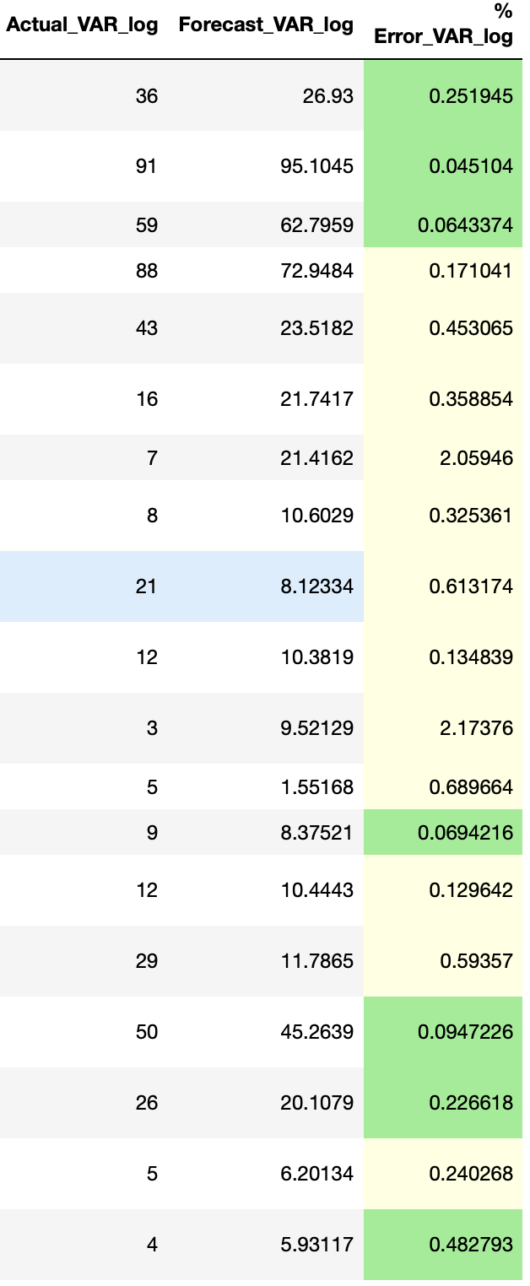
CPC subclasses | Actual value | Forecasted value |  |  | %Error
 |  | Self | Cite (into) | 5 most correlated CPCs | Self | Cite (into) | 5 most correlated CPCs
B01D 2253/204 | 36 | 63.2972 | 23.0928 | 26.93 | 0.758 | 0.359 | 0.251
B01D 53/02 | 91 | 122.52 | 120.423 | 95.1045 | 0.346 | 0.323 | 0.045
B01J 20/18 | 59 | 66.8727 | 68.7303 | 62.7959 | 0.133 | 0.164 | 0.064
B01J 20/28042 | 16 | 16.195 | 8.81653 | 21.7417 | 0.0121 | 0.4489 | 0.3588
B01J 20/30 | 7 | 15.1331 | 9.35496 | 21.4162 | 1.162 | 0.336 | 2.0594
B01J 2531/26 | 8 | 12.8448 | 5.44418 | 10.6029 | 0.606 | 0.319 | 0.3253
B01J 31/1691 | 12 | 11.9485 | 5.2335 | 8.12334 | 0.431 | 0.750786 | 0.614
C07C 51/418 | 3 | 7.44213 | 11.4694 | 9.52129 | 1.481 | 2.823 | 2.174
C07F 3 | 5 | 1.78304 | 4.2472 | 1.55168 | 0.643 | 0.151 | 0.6897
C07F 3/003 | 9 | 3.82103 | 6.45958 | 8.37521 | 0.575 | 0.282 | 0.0694
G01N 33/004 | 50 | 71.2464 | 56.1411 | 45.2639 | 0.424 | 0.123 | 0.0947
Y01T 436/11 | 26 | 49.8162 | -- | 20.1079 | 0.916 | -- | 0.227
Y01T 436/204998 | 5 | 8.65036 | 5.16761 | 6.20134 | 0.730 | 0.034 | 0.240
Y01T 436/25875 | 4 | 9.94517 | -- | 5.93117 | 1.486 | -- | 0.483
B01J 20/20 | 88 | 98.6243 | 77.3046 | 72.9484 | 0.121 | 0.121 | 0.171
B01J 20/226 | 43 | -- | 33.0336 | 23.5182 | -- | 0.232 | 0.453
B01J 31/2239 | 12 | 12.5701 | 7.9417 | 10.3819 | 0.0475 | 0.338 | 0.135
F17C 11/005 | 12 | 11.7898 | 6.41392 | 10.4443 | 0.0175 | 0.466 | 0.1297
G01N 27/125 | 29 | -- | 15.2208 | 11.7865 | -- | 0.475 | 0.594

